EDA
Data Info
 | Recording | 正式实验2
 | Subject | 赵殿飞
 | Create Time | 2023-11-13 15:55:50.698
 | Data Name | Finger8 EDA
 | Data Type | EDA
 | Sample Rate | 64
 | Segment | 后静息态
 | Start Time | 0:58:32
 | End Time | 1:03:32
 | Duration | 0:05:00

Replay Chart
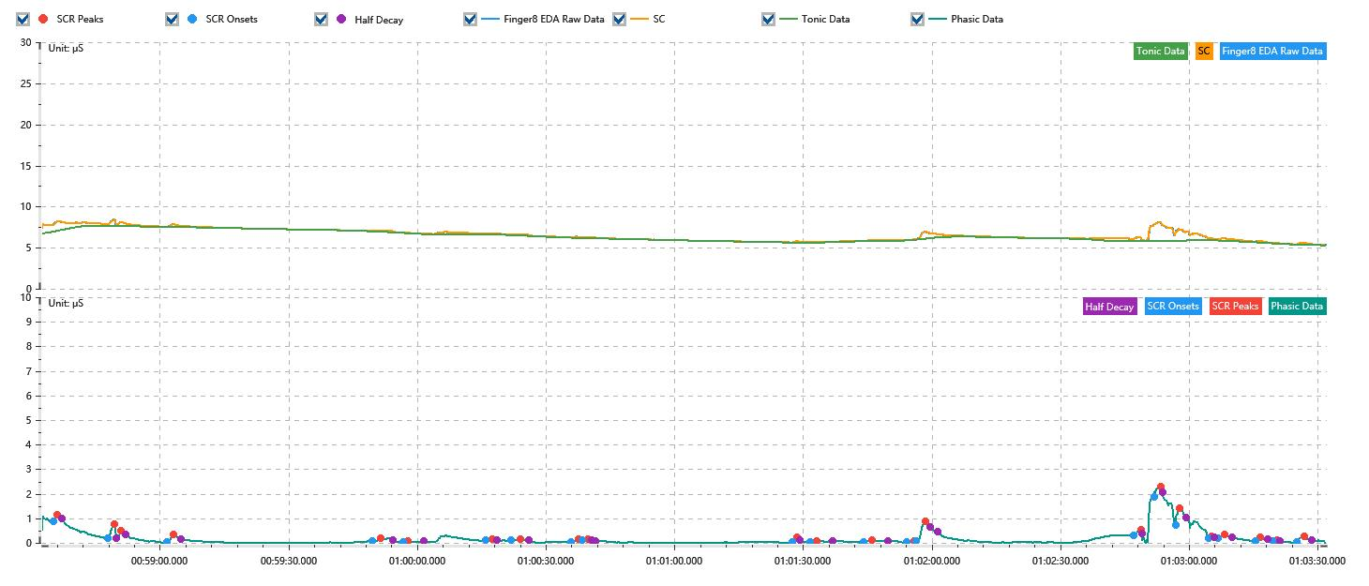

Process parameters
 | Filters
 | Smooth denoise | Enabled | 高斯 | 5(samples)
 | Lowpass filter | Enabled | 5μS
 | Skin Conductance Response
 | SCR extraction | Minimum SCR amplitude | 0.03μS
 | SCR extraction | Max rise time | 4s
 | SCR extraction | Max half decay time | 4s
 | SCR extraction | Peak dection sensitivity | 中
 | Event related activation | Window relative to event | 1s | 4s

Time Domain
 | Data | Mean | Max | Min | Std | Variance | Polar Distance | Data Length
 | SC | 6.55μS | 8.4μS | 5.3μS | 0.73μS | 0.54μS² | 3.11μS | 1200
 | Tonic | 6.38μS | 7.69μS | 5.29μS | 0.67μS | 0.45μS² | 2.39μS | 1200
 | Phasic | 0.17μS | 2.25μS | 0μS | 0.32μS | 0.1μS² | 2.25μS | 1200

SCR
 | OnsetTime | PeakTime | RiseTime | HalfDecayTime | Amp
 | 0.040684108796 | 0.04069568287 | 1s | 1s | 0.28μS
 | 0.040831678241 | 0.040849039352 | 1.5s | 0.5s | 0.58μS
 | 0.040854826389 | 0.040866400463 | 1s | 1.25s | 0.33μS
 | 0.040990821759 | 0.04100818287 | 1.5s | 1.75s | 0.31μS
 | 0.041546377315 | 0.041569525463 | 2s | 2.75s | 0.1μS
 | 0.041630289352 | 0.041641863426 | 1s | 3.75s | 0.03μS
 | 0.041853090278 | 0.041870451389 | 1.5s | 1s | 0.05μS
 | 0.041919641204 | 0.04194568287 | 2.25s | 2s | 0.05μS
 | 0.042081678241 | 0.04210193287 | 1.75s | 4s | 0.11μS
 | 0.042113506944 | 0.042127974537 | 1.25s | 0.75s | 0.06μS
 | 0.042680636574 | 0.042692210648 | 1s | 0.75s | 0.2μS
 | 0.04272693287 | 0.042744293981 | 1.5s | 3.75s | 0.04μS
 | 0.042871608796 | 0.042894756944 | 2s | 3.75s | 0.1μS
 | 0.042987349537 | 0.043007604167 | 1.75s | 3.75s | 0.04μS
 | 0.043013391204 | 0.04303943287 | 2.25s | 2.75s | 0.8μS
 | 0.043600775463 | 0.043621030093 | 1.75s | 0.25s | 0.22μS
 | 0.043655752315 | 0.043673113426 | 1.5s | 0.5s | 0.4μS
 | 0.043713622685 | 0.043725196759 | 1s | 1.5s | 0.69μS
 | 0.043803321759 | 0.043812002315 | 0.75s | 0.5s | 0.08μS
 | 0.043829363426 | 0.043846724537 | 1.5s | 1.75s | 0.15μS
 | 0.043930636574 | 0.043942210648 | 1s | 1.75s | 0.13μS
 | 0.04397693287 | 0.043988506944 | 1s | 0.5s | 0.04μS
 | 0.044040590278 | 0.044060844907 | 1.75s | 1.75s | 0.24μS

Event Related
 | Event Group | Event Name | Event Description | EventTime | SCRCount | Latency | AmpSum | SCL | Half Decay Time Avg. | Rise Decay Time Avg.
 | Custom | 后静息态采集开始 |  | 0.040717037037 | 0 | 0s | 0μS | 7.48μS | 0s | 0s

